Sheet1
District | 2013-14 | 2014-15 | 2015-16 | 2016-17 | 2017-18
District Total | 36% | 37% | 33% | 36% | 36%

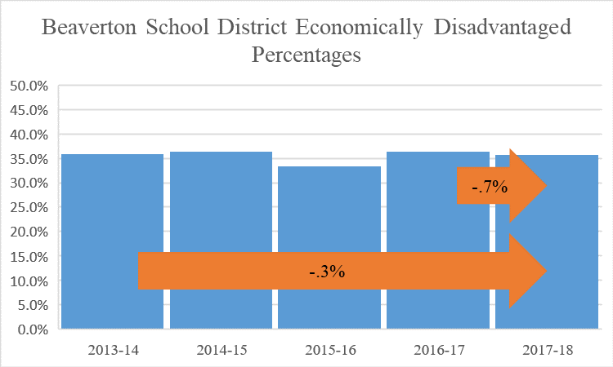

High Schools | 2013-14 | 2014-15 | 2015-16 | 2016-17 | 2017-18
Aloha | 55% | 57% | 52% | 61% | 62%
ACMA | 23% | 22% | 20% | 23% | 21%
Beaverton | 39% | 43% | 37% | 45% | 50%
Community School | 79*** | 82*** |  | 44% | 83%
Health and Science | 42% | 43% | 43% | 61% | 42%
ISB High | 20% | 20% | 17% | 18% | 17%
Mountainside | * | * | * | * | 22%
Science & Technology | 19% | 20% | * | * | 11%
Southridge | 22% | 24% | 22% | 29% | 36%
Sunset | 25% | 24% | 21% | 25% | 21%
Westview | 28% | 29% | 24% | 28% | 27%
All High Schools | 32% | 33% | 29% | 35% | 35%

Middle Schools | 2013-14 | 2014-15 | 2015-16 | 2016-17 | 2017-18
Cedar Park | 28% | 27% | 25% | 26% | 27%
Conestoga | 34% | 35% | 33% | 34% | 32%
Five Oaks | 58% | 61% | 55% | 63% | 61%
Highland Park | 32% | 32% | 30% | 32% | 31%
Meadow Park | 44% | 43% | 40% | 45% | 45%
Mountain View | 56% | 56% | 53% | 58% | 57%
Stoller | 11% | 10% | 7% | 11% | 11%
Whitford | 54% | 58% | 50% | 56% | 57%
All Middle Schools | 40% | 40% | 34% | 38% | 37%

Elementary Schools | 2013-14 | 2014-15 | 2015-16 | 2016-17 | 2017-18
Aloha-Huber Park, K-8 | 78% | 82% | 74% | 79% | 77%
Barnes | 70% | 70% | 65% | 69% | 66%
Beaver Acres | 60% | 60% | 57% | 62% | 58%
Bethany | 14% | 14% | 14% | 15% | 14%
Bonny Slope | 8% | 9% | 8% | 8% | 10%
Cedar Mill | 13% | 12% | 12% | 12% | 13%
Chehalem | 60% | 60% | 55% | 60% | 59%
Cooper Mtn. | 15% | 16% | 15% | 22% | 17%
Elmonica | 45% | 47% | 40% | 45% | 47%
Errol Hassell | 38% | 34% | 35% | 39% | 37%
Findley | 2% | 6% | 6% | <5% | 6%
Fir Grove | 55% | 54% | 48% | 53% | 49%
Greenway | 70% | 67% | 60% | 68% | 67%
Hazeldale | 49% | 52% | 52% | 52% | 42%
Hiteon | 26% | 28% | 25% | 28% | 27%
Jacob Wismer | 6% | 6% | 6% | <5% | 6%
Kinnaman | 68% | 68% | 63% | 65% | 66%
McKay | 60% | 57% | 53% | 59% | 57%
McKinley | 58% | 61% | 58% | 62% | 61%
Montclair | 32% | 30% | 26% | 25% | 22%
Nancy Ryles | 24% | 24% | 18% | 20% | 19%
Oak Hills | 19% | 17% | 14% | 16% | 16%
Raleigh Hills, K-8 | 41% | 41% | 41% | 42% | 43%
Raleigh Park | 41% | 39% | 34% | 38% | 39%
Ridgewood | 22% | 19% | 17% | 19% | 20%
Rock Creek | 24% | 24% | 20% | 23% | 22%
Sato | * | * | * | * | 13%
Scholls Heights | 14% | 13% | 13% | 15% | 17%
Sexton Mtn. | 15% | 15% | 16% | 20% | 18%
Springville, K-8 | 21% | 19% | 17% | 15% | 16%
Terra Linda | 37% | 35% | 37% | 36% | 35%
Vose | 80% | 85% | 77% | 83% | 81%
West Tualatin View | 8% | 9% | 7% | 97% | 11%
William Walker | 83% | n/a** | 82% | 83% | 82%
All Elementary Schools | 41% | 39% | 36% | 38% | 37%

chart
-.3%
-.7%

 | 2013-14 | 2014-15 | 2015-16 | 2016-17 | 2017-18
District Total | 36.0% | 36.5% | 33.4% | 36.4% | 35.7%

